Sheet1
Report Date: |  | 2018-09-06

 |  |  |  |  |  |  | 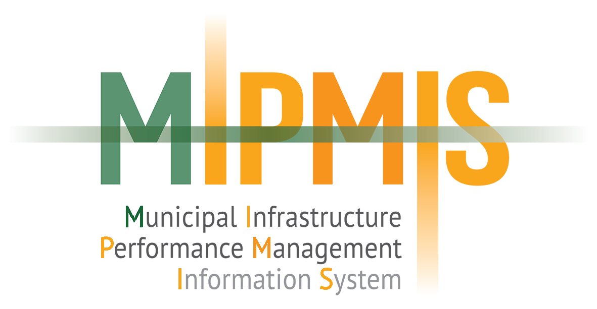
 | GRAP 11Train

 | District Report

 | Eastern Cape

 | Alfred Nzo District Municipality

 |  |  |  |  |  |  | A promise to assist municipalities in managing infrastructure efficiently

 | Organisation |  | Project Name | Implementing Agent | Start Date | End Date |  | Contract Cost | Contract Expenditure
 | Matatiele Local Municipality |  | Electricity upgrade | Matatiele Local Municipality | 2015-01-01 | 2015-12-31 |  | R 24,000,000.00 | R 11,850,000.00
 | Matatiele Local Municipality |  | Electricity upgrade | Matatiele Local Municipality | 2015-01-01 | 2015-12-31 |  | R 24,000,000.00 | R 9,300,000.00
 | Matatiele Local Municipality |  | Electricity upgrade | Matatiele Local Municipality | 2015-01-01 | 2015-12-31 |  | R 12,000,000.00 | R 11,850,000.00
 | Matatiele Local Municipality |  | Electricity upgrade | Matatiele Local Municipality | 2015-01-01 | 2015-12-31 |  | R 12,000,000.00 | R 9,300,000.00

